General Balance
N Requeriments
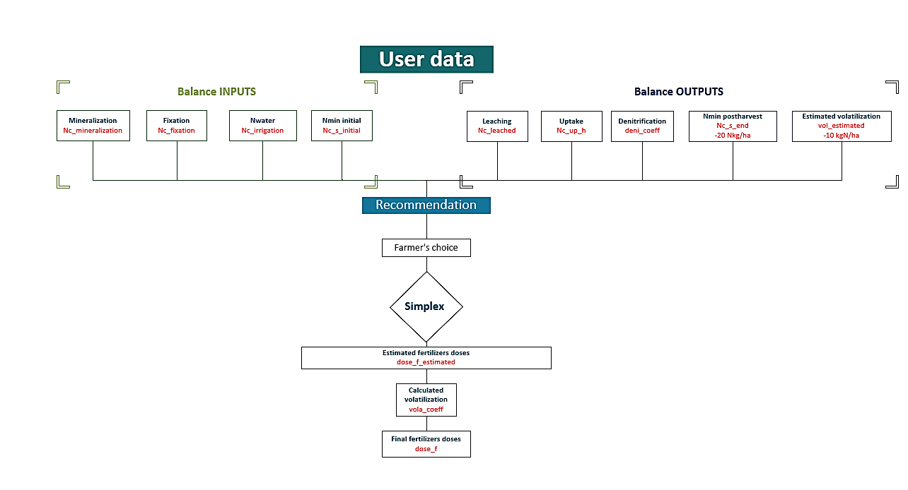
Input terms |  | 50% | 20% | 80%
 | Mineralization | 83 | 83 | 83
 | Fixation | 10 | 10 | 10
 | Nc_irrigation | 0 | 0 | 0
 | Nc_s_initial | 27 | 27 | 27
 |  | 120 | 120 | 120

Output terms
 | Leaching | 27 | 27 | 27
 | Uptake | 6449 | 5366 | 7533
 | Nc_s_end | 18 | 18 | 18
 | Denitrification | 4 | 4 | 5
 | Volatilization | 9 | 8 | 11
 |  | 6,508 | 5,422 | 7,594

N Requeriments

 | N_crop | 6388 | 5,302 | 7,474

PK Requeriments

 |  | P | K | P2O5 | K2O
Sufficiency (minimum fertilizer) | Sufficiency (minimum fertilizer) | 0 | 5 | 0 | 0
Buildup & maintenance (reduced fertilizer) | Buildup & maintenance (reduced fertilizer) | 93 | 266 | 214 | 321
Buildup & maintenance (maximum yield) | Buildup & maintenance (maximum yield) | 93 | 3,192 | 214 | 3,847
Maintenance (soil analysis not avalable) | Maintenance (soil analysis not avalable) | 1,211 | 6,272 | 2,778 | 7,558

Input
CROP
Variable | Data | Unit |  | Notes
crop_type | BARLEY_6_ROW |  |  | User
y | 250,000 | kg/ha |  | User
CV (%) | 20% | % |  | Valor por defecto 20%
export_r | 100% |  |  | Residuos que se exportan: (todos=100%, ninguno 0%, valores intermedios permitidos)
n_fix_code | Non_legume
cycle_crop | Annual
PK_strategy | Buildup & maintenance (maximum yield)
HI_est | 40 | % |  | Default or user value

Soil organic carbon
SOIL
Variable | Data | Unit | Unit conversion | Notes |  |  |  | Nitrogen conversion
soil_texture | Sand |  |  | User
SOM | 2.5 | % |  | User | SOC | 1 | %
Tilled | Yes |  |  | User |  |  |  |  | Inputs | Concatenated | Units | Conversion factor | kg N/ha
pH | 7 |  |  | Default or user value |  |  |  | Nc_s_initial | 6 | Nc_s_initialppm | ppm | 4.47 | 26.82
Result of conversion
CEC | 30 | meq/kg |  | Default or user value. El valor de la CEC está asociado a la textura del suelo, aunque podrá ser modificado en caso que el agricultor disponga de ese dato |  |  |  | Nc_s_end | 4 | Nc_s_endppm | ppm | 4.47 | 17.88
 |  |  |  |  |  |  |  | Nc_s_initial |  | Nc_s_initial% | %
depth_s | 0.3 | m |  | Default or user value |  |  |  | Nc_s_end |  | Nc_s_end% | %
Nc_s_initial | 6 | ppm |  | Default or user value | Nc_s_initial | 27 | kgN/ha | Nc_s_initial |  | Nc_s_initialmeq/100 | meq/100
Nc_s_end | 4 | ppm |  | Default or user value | Nc_s_end | 18 | kgN/ha | Nc_s_end |  | Nc_s_endmeq/100 | meq/100
 |  |  |  |  |  |  |  | Nc_s_initial |  | Nc_s_initialmeq/kg | meq/kg
Pc_s | 10 | ppm |  |  | Pc_s | 10 | ppm | Nc_s_end |  | Nc_s_endmeq/kg | meq/kg
Pc_method | Olsen |  |  |  |  |  |  | Nc_s_initial |  | Nc_s_initialmeq/l | meq/l
 |  |  |  |  |  |  |  | Nc_s_end |  | Nc_s_endmeq/l | meq/l
Kc_s | 0.2 | meq K+/100g |  |  | Kc_s | 78 | ppm | Nc_s_initial |  |  | kgN/ha | 4.47 | 27
Kc_method | Acetato de amonio |  |  |  |  |  |  | Nc_s_end |  |  | kgN/ha | 4.47 | 18

PLOT
Variable | Data | Unit |  | Notes |  |  |  | Phosphorus conversion
water_supply | Rainfed |  |  | User
type_irrigated | Trickle |  |  | User
climate_zone | alpine_zone |  |  | User |  |  |  |  | Inputs | Concatenated | Units | Conversion factor | ppm
rain_a (mm) | 1500 | mm |  | Default or user value |  |  |  | Pc_s | 10 | Pc_sppm | ppm |  | 10
rain_w (mm) | 900 | mm |  | Default or user value |  |  |  | Pc_s |  | Pc_s% | %
dose_irrigation | 4500 | m3/ha |  | User |  |  |  | Pc_s |  | Pc_smeq PO43-/100g | meq PO43-/100g
Nc_NO3_water | 24 | ppm |  | Default or user value |  |  |  | Pc_s |  | Pc_smeq PO43-/kg | meq PO43-/kg
 |  |  |  |  |  |  |  | Pc_s |  | Pc_skg P/ha | kg P/ha
 |  |  |  |  |  |  |  | Pc_s |  | Pc_smeq PO43-/l | meq PO43-/l
 |  |  |  |  |  |  |  | Pc_s |  |  | ppm | 0.00 | 10

 |  |  |  |  |  |  |  | Potassium conversion

 |  |  |  |  |  |  |  |  | Inputs | Concatenated | Units | Conversion factor | ppm
 |  |  |  |  |  |  |  | Kc_s |  | Kc_sppm | ppm
 |  |  |  |  |  |  |  | Kc_s |  | Kc_s% | %
 |  |  |  |  |  |  |  | Kc_s | 0.2 | Kc_smeq K+/100g | meq K+/100g | 78.2 | 78.2
 |  |  |  |  |  |  |  | Kc_s |  | Kc_smeq K+/kg | meq K+/kg
 |  |  |  |  |  |  |  | Kc_s |  | Kc_skg K/ha | kg K/ha
 |  |  |  |  |  |  |  | Kc_s |  | Kc_smeq K+/l | meq K+/l
 |  |  |  |  |  |  |  | Kc_s |  |  | ppm | 78.20 | 78

Inputs asociation
1 | 2 | 3 | 4 | 5 | 6 | 7 | 8 | 9 | 10 | 11 | 12 | 13 | 14 | 15 | 16 | 17 | 18 | 19 | 20 | 21 | 22 | 23 | 24 | 25 | 26 | 27 | 28 | 29 | 30 | 31 | 32 | 33 | 34 | 35 | 36 | 37 | 38
 |  |  |  |  | 1 | 2 | 3 | 4 | 5 | 6 | 7 | 8 | 9 | 10 | 11 | 12 | 13 | 14 | 15 | 16 | 17 | 18 | 19 | 20 | 21 | 22 | 23 | 24 | 25 | 26 | 27 | 28 | 29 | 30 | 31 | 32 | 33
USDA | textura1 | textura2 | TexturaId | Clase textural FAO | soil_texture FAO | Textura reducida( Agroasesor) | Fertilicalc | Hydrologic Soil Groups | Rate of drainage | Mineralization texture | Límites | qFC |  |  | qWP |  |  | qFC - qWP |  |  |  | Densidad aparente (g/cm3) |  |  |  | Correction factor fK |  |  | Pc_s_thres (ppm) |  |  | Kc_s_thres (ppm) |  |  | Hydrologic Soil Groups | cn | CEC (meq/kg)
 |  |  |  |  |  |  |  |  |  |  |  | Min | Max | Prom | Min | Max | Prom | Min | Max | Prom | Def | Min | Max | Prom | Prom | fK_min | fK_max | fK | lower | higher | average | lower | higher | average
Arenoso | Arenoso | LIGERA | 1 | Arenosa | Sand | 1 | 1 | A | Very high | sandy_texture | (Limo + 1.5 * Arcilla) < 15 | 0.07 | 0.17 | 0.12 | 0.02 | 0.07 | 0.05 | 0.05 | 0.11 | 0.08 | 0.09 | 1.7 | 1.8 | 1.75 | 1.49 | 1.1 | 1.2 | 1.15 | 8 | 10 | 9 | 100 | 100 | 100 | A | 28 | 30
Arenoso Franco | Arenoso franco | LIGERA | 2 | Arenoso franca | Loamy sand | 1 | 1 | A | Very high | sandy_texture | ((Limo + 1.5 * Arcilla) >= 15 And (Limo + 2 * Arcilla) < 30) | 0.11 | 0.19 | 0.15 | 0.03 | 0.1 | 0.07 | 0.06 | 0.12 | 0.09 |  | 1.6 | 1.7 | 1.65 | 1.49 | 1.1 | 1.2 | 1.15 | 8 | 10 | 9 | 100 | 100 | 100 | A | 28 | 30
Franco Arenoso | Franco arenoso | LIGERA | 3 | Franco arenosa | Sandy loam | 1 | 2 | B | High | sandy_texture | (Arcilla >= 7 And (Arcilla < 20 And (Arena > 52 And (Limo + 2 * Arcilla) >= 30))) Or (Arcilla < 7 And (Limo < 50 And (Limo + 2 * Arcilla) >= 30)) | 0.18 | 0.28 | 0.23 | 0.06 | 0.16 | 0.11 | 0.11 | 0.15 | 0.12 | 0.12 | 1.55 | 1.6 | 1.58 | 1.45 | 1.1 | 1.2 | 1.15 | 10 | 12 | 11 | 150 | 175 | 162.5 | B | 21 | 75
Franco | Franco | MEDIA | 4 | Franca | Loam | 2 | 3 | B | High | loam_texture | (Arcilla >= 7 And (Arcilla < 27 And (Limo >= 28 And (Limo < 50 And (Arena <= 52))))) | 0.2 | 0.3 | 0.25 | 0.07 | 0.17 | 0.12 | 0.13 | 0.18 | 0.13 | 0.13 | 1.45 | 1.55 | 1.5 | 1.42 | 1.5 | 1.7 | 1.6 | 10 | 12 | 11 | 150 | 175 | 162.5 | B | 21 | 100
Franco Limoso | Franco limoso | MEDIA | 5 | Franco limosa | Silty loam | 2 | 4 | C | Medium | loam_texture | (Limo >= 50 And (Arcilla >= 12 And Arcilla < 27)) Or (Limo >= 50 And (Limo < 80 And Arcilla < 12)) | 0.22 | 0.36 | 0.29 | 0.09 | 0.21 | 0.15 | 0.13 | 0.19 | 0.14 | 0.14 | 1.45 | 1.55 | 1.5 | 1.32 | 1.5 | 1.7 | 1.6 | 10 | 12 | 11 | 150 | 175 | 162.5 | C | 17 | 80
Limoso | Limoso | MEDIA | 6 | Limosa | Silt | 2 | 4 | C | Medium | loam_texture | (Limo >= 80 And Arcilla < 12) | 0.28 | 0.36 | 0.32 | 0.12 | 0.22 | 0.17 | 0.16 | 0.2 | 0.15 |  | 1.4 | 1.5 | 1.45 | 1.3 | 1.5 | 1.7 | 1.6 | 10 | 12 | 11 | 150 | 175 | 162.5 | C | 17 | 80
 | Franco arcillo arenoso | LIGERA | 7 | Franco arcillo arenosa | Clay loam | 1 | 4 | C | Medium | sandy_texture | (Arcilla >= 20 And (Arcilla < 35 And (Limo < 28 And Arena > 45))) | 0.16 | 0.26 | 0.21 | 0.03 | 0.12 | 0.08 | 0.06 | 0.12 | 0.14 |  | 1.45 | 1.55 | 1.5 | 1.6 | 1.5 | 1.7 | 1.6 | 10 | 12 | 11 | 150 | 175 | 162.5 | C | 17 | 80
 | Franco arcilloso | PESADA | 8 | Franco arcillosa | Sandy clay loam | 3 | 5 | D | Medium | clay_texture | (Arcilla >= 27 And (Arcilla < 40 And (Arena > 20 And Arena <= 45))) | 0.22 | 0.32 | 0.27 | 0.08 | 0.2 | 0.14 | 0.06 | 0.12 | 0.13 | 0.14 | 1.4 | 1.5 | 1.45 | 1.42 | 2 | 2 | 2 | 10 | 12 | 11 | 150 | 175 | 162.5 | D | 15 | 220
Franco Arcillo Limoso | Franco arcillo limoso | PESADA | 9 | Franco arcillo limosa | Silty clay loam | 3 | 5 | D | Low | clay_texture | (Arcilla >= 27 And (Arcilla < 40 And Arena <= 20)) | 0.3 | 0.37 | 0.34 | 0.17 | 0.24 | 0.21 | 0.13 | 0.18 | 0.13 |  | 1.45 | 1.55 | 1.5 | 1.4 | 2 | 2 | 2 | 10 | 12 | 11 | 150 | 175 | 162.5 | D | 15 | 220
 |  |  | 10 | Arcillo arenosa | Sandy clay | 2 | 5 | D | Low | clay_texture | (Arcilla >= 35 And Arena > 45) | 0.19 | 0.29 | 0.24 | 0.05 | 0.14 | 0.1 | 0.06 | 0.12 | 0.15 |  | 1.35 | 1.45 | 1.4 | 1.51 | 2 | 2 | 2 | 10 | 12 | 11 | 150 | 175 | 162.5 | D | 15 | 220
Arcillo Limoso | Arcillo limoso | PESADA | 11 | Arcillo limosa | Silty clay | 3 | 5 | D | Low | clay_texture | (Arcilla >= 40 And Limo >= 40) | 0.3 | 0.42 | 0.36 | 0.17 | 0.29 | 0.23 | 0.13 | 0.19 | 0.13 |  | 1.4 | 1.5 | 1.45 | 1.38 | 2.5 | 5 | 3.75 | 10 | 12 | 11 | 150 | 175 | 162.5 | D | 15 | 220
Arcilloso | Arcilloso | PESADA | 12 | Arcillosa | Clay | 3 | 6 | D | Very low | clay_texture | (Arcilla >= 40 And (Arena <= 45 And Limo < 40)) | 0.32 | 0.4 | 0.36 | 0.2 | 0.24 | 0.22 | 0.12 | 0.2 | 0.14 | 0.14 | 1.35 | 1.45 | 1.4 | 1.39 | 2.5 | 5 | 3.75 | 12 | 20 | 16 | 200 | 300 | 250 | D | 15 | 300
 |  |  |  |  |  |  |  |  |  |  |  |  |  |  |  |  |  |  |  |  |  |  |  |  | Fuente: Rawls et al. 1992. |  |  |  |  |  |  | Delgado 2016
 |  |  |  |  | Table 5. Values of the coefficient converting values of a given soil P test into its equivalent for the Olsen method
Parameters |  |  | PK strategy |  | Method | k
fnr | 10% |  | Buildup & maintenance (reduced fertilizer) |  | Olsen | 1
fmc_r | 15% |  | Buildup & maintenance (maximum yield) |  | Ammonium lactate | 0.25
P_crop_max | 100 | kg P/ha | Maintenance (soil analysis not avalable) |  | Mehlich III | 0.36
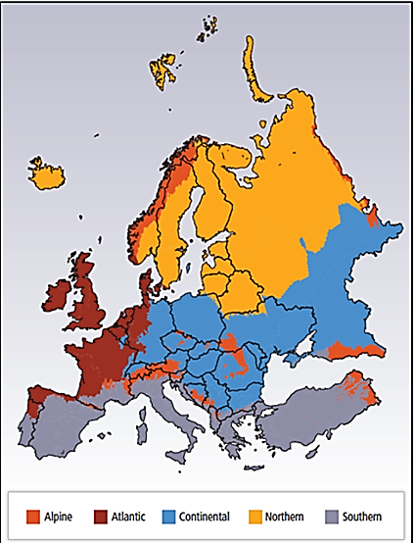
K_crop_max | 275 | kg K/ha | Sufficiency (minimum fertilizer) |  | Bray | 0.47
 |  |  |  |  | Ammonium ac etate+ EDTA | 0.48
 |  |  |  |  | Calcium lactate | 0.49
 |  |  |  |  | Calcium lactate acetate | 0.52
 |  |  |  |  | Paper strip | 1.5
 |  |  |  |  | Acid ammonium acetate | 1.6
 |  |  |  |  | H2O | 3.8
 |  |  |  |  | Saturated water | 15
 |  |  |  |  | CaCl2 | 25

Note: rain_a y rain_w es un user input pero si no tiene datos se establece un valor por defecto en función de climate_zone

Asociación de inputs: rain:_w y rain_a conclimate_zone
climate_zone | factor_humidity | rain_a (mm) | rain_w (mm)
alpine_zone | 1 | 1500 | 900
atlantic_zone | 0.9 | 800 | 480
continental_zone | 1 | 1000 | 600
northern_zone | 0.8 | 700 | 420
southern_zone | 0.6 | 500 | 300

Volatilization

Note: se asocia crop_type con el input inicial de water_supply
Note: type_f se encuentra agrupado en función de vol_group (hoja de fertilizantes del excel de germán, columna de vol_group, ahí se encuentra la asociación de cada fertilizante con su vol_group)
Note: pH es un input a introducir por el usuario pero en el caso de la volatilización se utilizan los siguientes criterios:
Note: CEC es un input a introducir por el usuario pero en el caso de la volatilización se utilizan los siguientes criterios

vol_group
Nsol_group |  | Note: mirar Data vol |  |  | Note: mirar Data vol
MAP_group
AA_group |  | pH | valores |  | CEC | valores
UCN_group |  | pH≤5,5 | -1,072 |  | CEC≤16 | 0.088
AN_group |  | 5,5<pH≤7,3 | -0.933 |  | 16<CEC≤24 | 0.012
DAP_group |  | 7,3<pH≤8,5 | -0.608 |  | 24<CEC≤32 | 0.163
AS_group |  | pH>8,5 | 0 |  | CEC>32 | 0
Urea_group
O_group

Fixation

Note: si es legume o non legume se ve en la tabla Concentration NPK_crop debido a que todos los cultivos se encuentran dividos en grupos.
Note: si es annual or perennial: esa información se encuentra en una columna en la tabla Concentration NPK_crop

Concatenation | n_fix_per | n_fix_code | SOM (%) | cycle_crop
 |  | Non legume
Legume<3Annual | 80% | Legume | <3 | Annual
Legume>=3Annual | 50% | Legume | >=3 | Annual
Legume<3Pluriannual | 90% | Legume | <3 | Pluriannual
Legume>=3Pluriannual | 60% | Legume | >=3 | Pluriannual

Note: SOM es un user input pero aquí se utilizan los siguientes criterios para la variable n_fix_per: <3% >=3 % ( mirar hoja Nc_fixation)

soil (Fertilicalc) | soil (Navigator tool) | CEC (meq/kg)

1 | sand | 30
1 | loamysand
2 | sandyloam | 75
3 | loam | 100
4 | siltyloam | 80
4 | silt
4 | clayloam
5 | sandyclayloam | 220
5 | siltyclayloam
5 | sandyclay
5 | siltyclay
6 | clay | 300

Table 5. Values of the coefficient converting values of a given soil P test into its equivalent for the Olsen method
Method | k
Ammonium lactate | 0.25
Mehlich III | 0.36
Bray | 0.47
Ammonium ac etate+ EDTA | 0.48
Calcium lactate | 0.49
Calcium lactate acetate | 0.52
Paper strip | 1.50
Acid ammonium acetate | 1.60
H2O | 3.8
Saturated water | 15.0
CaCl2 | 25.0

Conversion
Conversión de óxidos/Sales (mg/l)
Concentration (mg/l) | Target conversion | Oxide/Salt » Element | Element » Oxide/Salt | Result O/S to element | Resultado elemento a O/S
 | P»P2O5 |  | 2.3 |  | 0.0

Conversion meq
Input |  |  |  | Conversion data |  | Output
Concentration (meq/100g) | Concentration (meq/kg) | Cation | Target conversion | meq/100 g a ppm | meq/l a ppm | meq/kg a meq/100 g | meq/100 g a meq/kg | meq/100 g a ppm | meq/100 g a ppm
10 |  | NO3- | meq/kg a meq/100 g |  |  | 0.0

Nc_s_initial y Nc_s_end: sum of nitric nitrogen + ammoniacal nitrogen.
 | ppm to kg N/ha
Nc_s_initial | 20 | 4.47 | 89.4
Nc_s_end |  | 4.47 | 0

